Summary
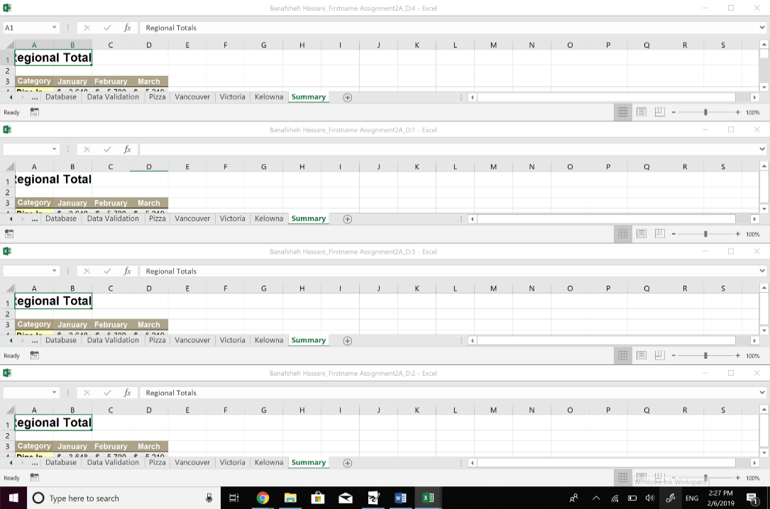
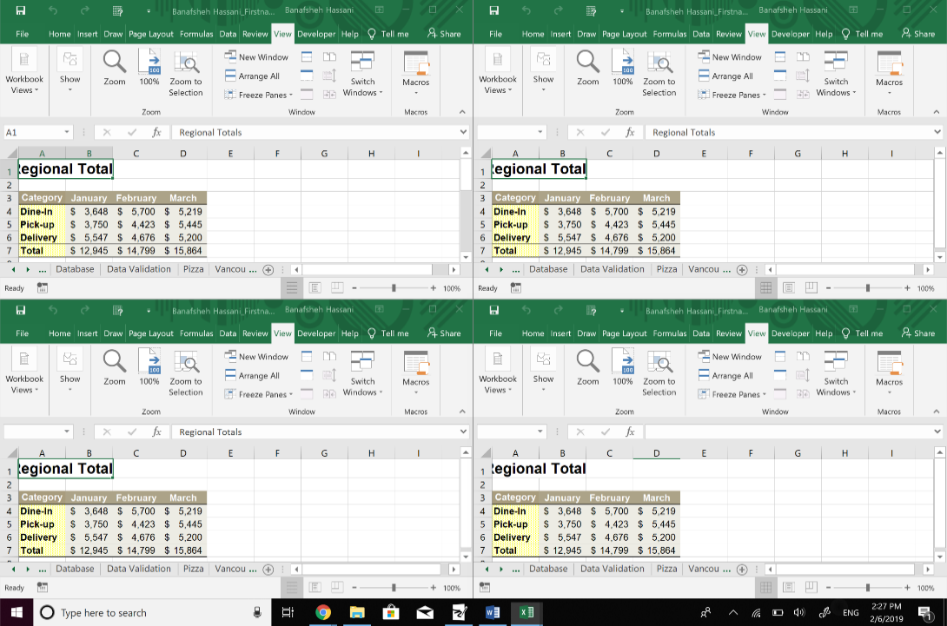
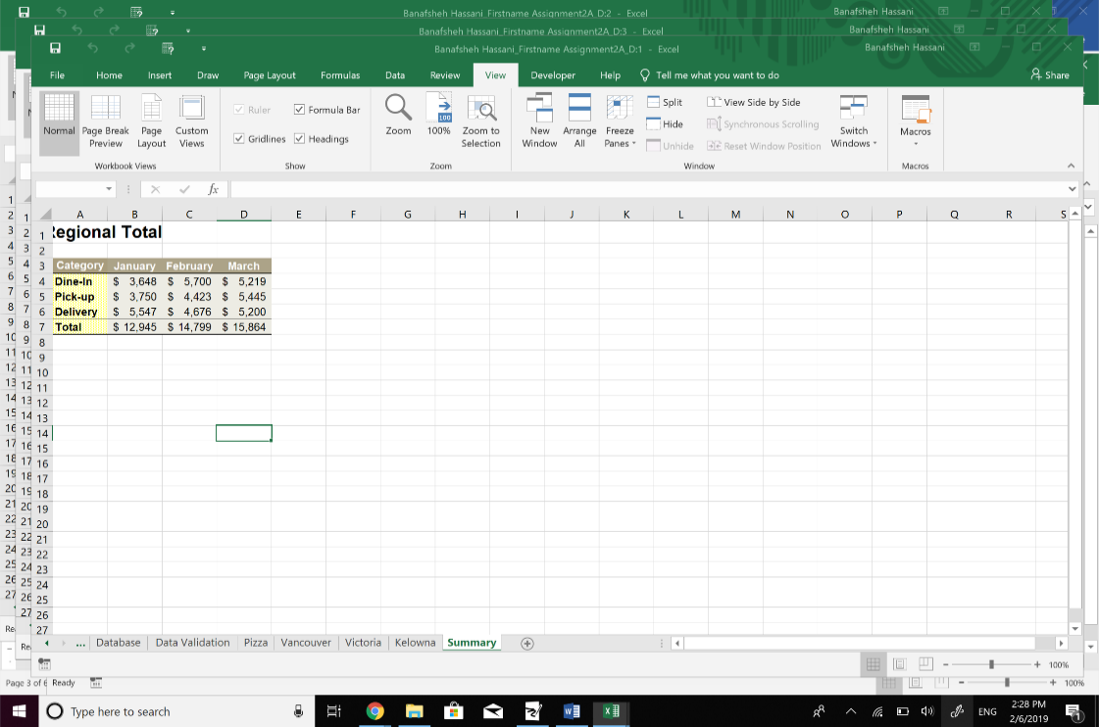
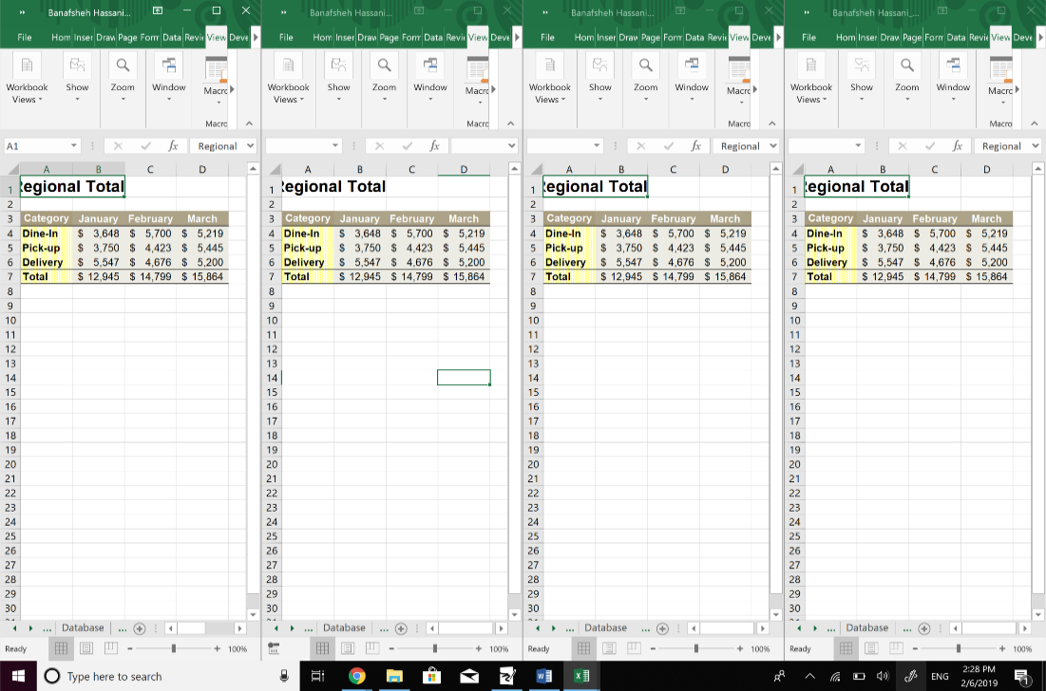
List the steps is tooken in b and c
B: I selected the Vancouver sheet first and hold shift on the keyboard and then clickdd on the Summary to make a group of Vancouver, Victoria, Kolwna and Summary sheets together. Next, I selected A1:D7 in Vancouver sheet and clicked on home tab /edditing area, chose "fill", across the worksheet and then in the new popped up window, I selected fill formats and OK.(as you can see on the pictures).
C: I selected the Vancouver sheet again, holded shift on keyboard and then click on Summary to group Vancouver, Victoria, Kolwna and Summary sheets (similar to part B). Next I selected B7:D7 in Vancouver sheet and clicked on Home/Editing area/⅀ ,the system did the auto sum for the specified rows in all sheets which I had grouped previously,and, reported the ultimate values in row 7 ( B7:D7) of each sheet.(as you can see on the pictures).
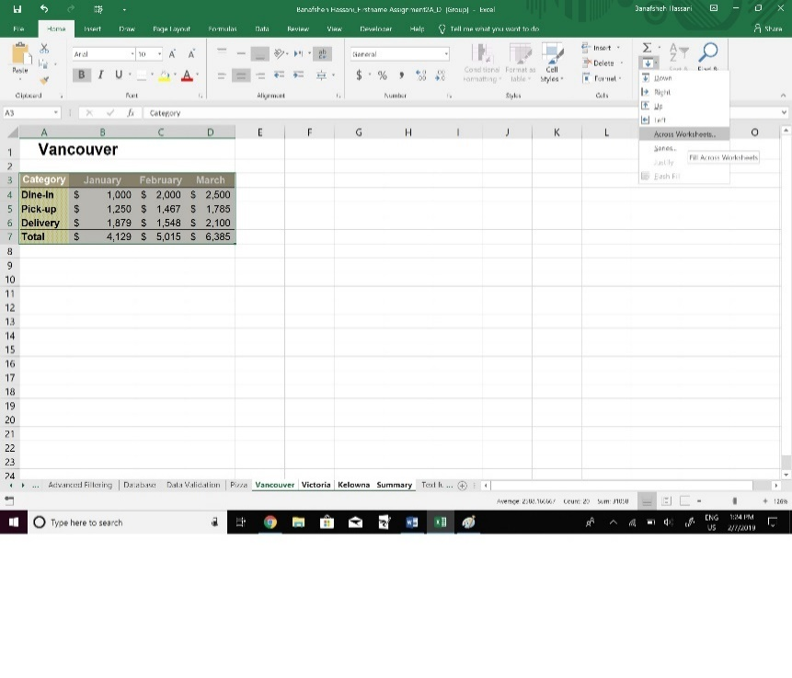
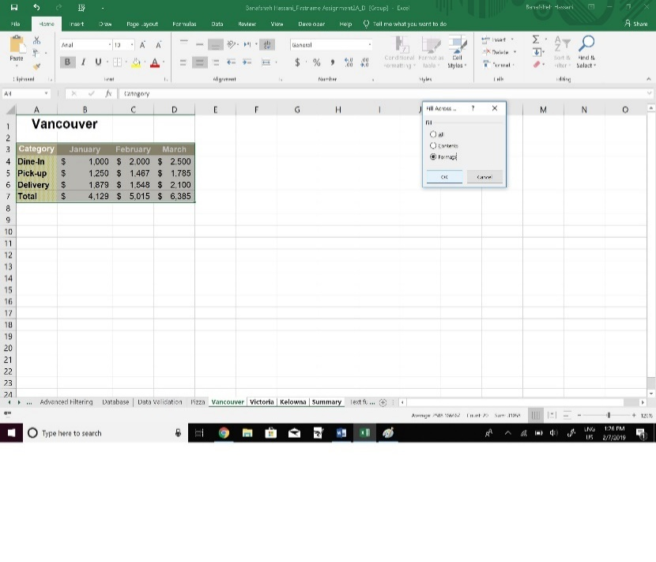
Regional Totals
 |  |  |  | B-1 | B-2
Category | January | February | March
Dine-In | $3,648 | $5,700 | $5,219
Pick-up | $3,750 | $4,423 | $5,445
Delivery | $5,547 | $4,676 | $5,200
Total | $12,945 | $14,799 | $15,864

 |  |  |  | C
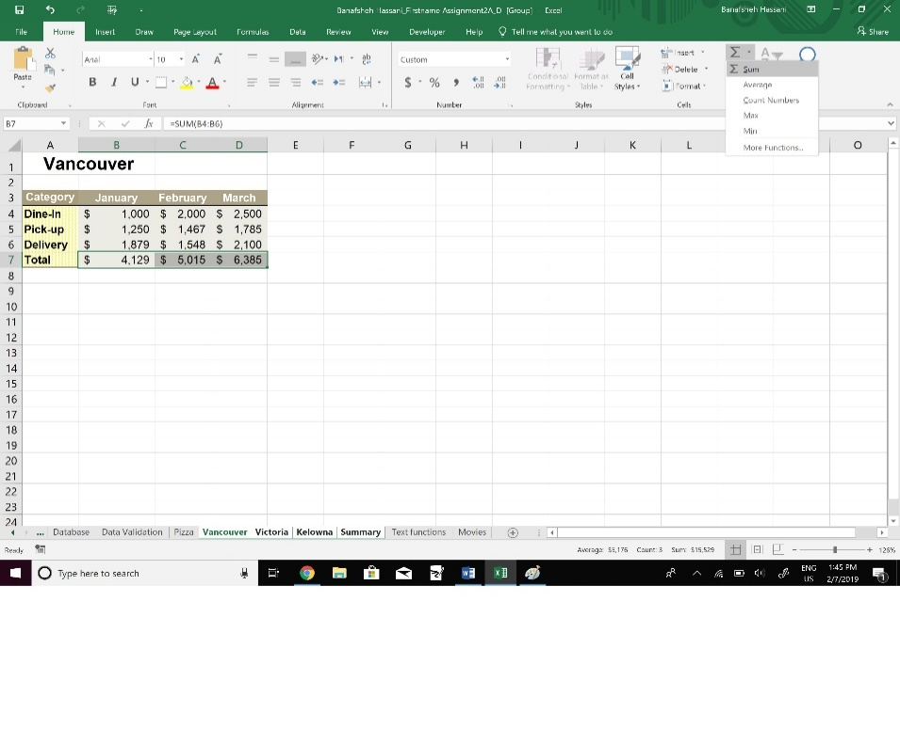

 | Arrange Windows

